Information form
 | R2 FR 06 - INFORMATION FORM

 | Pv module (1)

 | Brand :
 | Model :
 | Installation method : | Paysage
 | Dimensions : | Lenght [mm] | Width [mm] | Thickness [mm] | Power [W]
 |  | 1700 | 1038 | 35 | 415
 | It is imperative to provide us with the dimensional details of the solar panel frames.

 | Characteristics of support structure(s) |  |  |  |  |  |  | Purlins scheme

 | Clearance
 | Space between purlins
 | Purlin type | Steel
 | Purlin shape
 | Width A (cf scheme)
 | Heightr B (cf scheme)
 | Thickness C (cf scheme)

 | Photovoltaic roof(s)

 | Tilt [°]
 | Roof side covering | Non
 | RAL Roof side covering (RAL5008 by default) |  | not mandatory
 | By default and as far as possible, Adiwatt shades are horizontal and do not follow the slope of the natural terrain.

 | Carport N° | Number of lines | Number of columns | Lenght of purlin [m] | Module qty | Lenght [m] | Width [m]

 | The indicated length of the shades does not take into account any expansion joints that are usually implemented for shades longer than 100m. |  |  |  |  |  |  |  | Roughness
 |  |  |  |  |  |  |  |  | 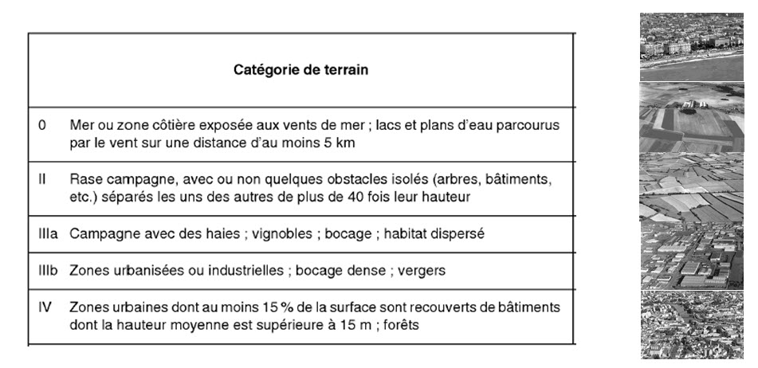
 |  |  | Qty of pv modules | 0
 |  |  | Total power [kW] | 0

 | Dimensioning datas

 | Wind area |  | or wind speed reference vb,0 [m/s]
 | Roughness | IIIa
 | Obstruction under carport
 | Snow area |  | Altitude [m]

 | Option(s) : Check the wanted options

 | Downspout
 | Gutter and PVC downspout
 | Gutter and aluminium downspout | RAL wanted: |  | not mandatory
 | Gutter and steel downspout | RAL wanted: |  | not mandatory

 | Fake panels |  |  |  |  |  |  |  | Roughness (translation)
 | Quantity :
 | RAL5008 above, RAL9010 under |  |  |  |  |  |  |  | 0 | Sea or coastal area exposed to sea winds; lakes and water bodies with at least 5 km of wind flow

 | Grounding clip (ARayvolt) |  |  |  |  |  |  |  | II | Open country, with or without some isolated obstacles (trees, buildings, etc.) separated from each other by more than 40 times their height
 | Quantity :

 |  |  |  |  |  |  |  |  | IIIa | Countryside with hedges; vineyards; bocage; scattered settlement
Comment(s): Indicate any additional requests or remarks here
 |  |  |  |  |  |  |  |  | IIIb | Urbanised or industrial areas; dense bocage; orchards

 |  |  |  |  |  |  |  |  | IV | Urban areas where at least 15% of the area is covered by buildings with an average height of over 15m; forests

 | Documentation required to complete your project
 | DWG drawing of the support structure of the mounting system
 | Calculation note for the supporting structure
 | (1) Data sheet, installation manual and frame return dimensions must be provided

